Sheet1 - Drawings
 | Column A (Count All)
Male | 74
Female | 47

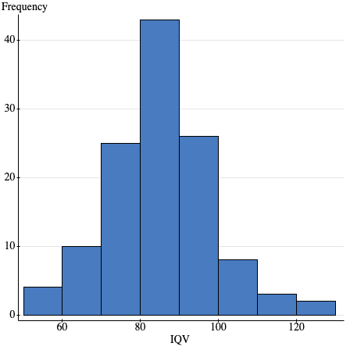

 | Column A (Count All)
Male | 74
Female | 47

